Design User Interface
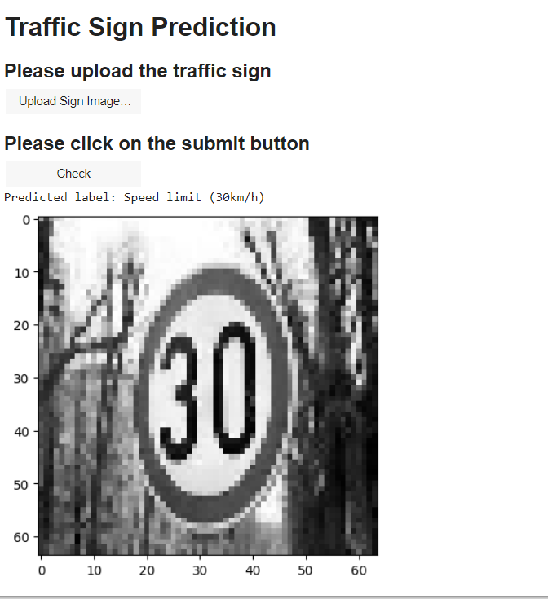
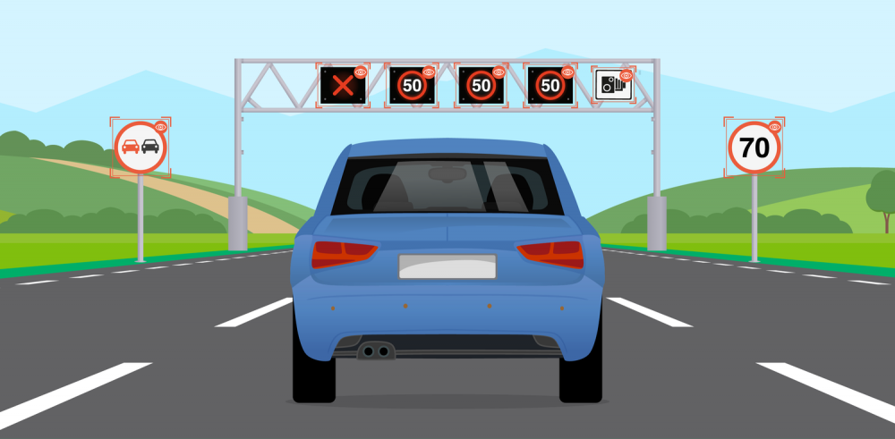
 | We upload the image and
 | then it tells the speed limit of the
Develop a traffic sign classifier | sign
to accurately classify data
types of traffic signs from
images.

